GROUPS
OPIHI DATA - WAIPUʻILANI 4/20/26 & 5/4/26
Kamehameha Schools Maui, Marine Biology
Contact: Brooke Holderbaum, brholder@ksbe.edu , 808-276-2245

Type in your group members' first names below
B4G1 | Sidon | Kaikea | Kai | Keale
B4G2 | Peahi | Kahoano | Kamalei | Cyris
B4G3 | Mia | Mylee | Leilei | Peyton

Waipuʻilani Quadrat Points 4/20/2026
 | DEMO DATA ANALYSIS
 | Coral | 252 | 31
 | CCA | 58 | 7
 | Ulva | 51 | 6
 | Turf | 24 | 3
 | Brown Crust | 23 | 3
 | Hypnea | 11 | 1
 | Bryopsis | 11 | 1
 | Acanthophora | 6 | 1
 | Tripneustes | 5 | 1
 | Holothurdoidea | 5 | 1
 | Other | 379 | 46
 | TOTAL | 825

LIMU PRESSES
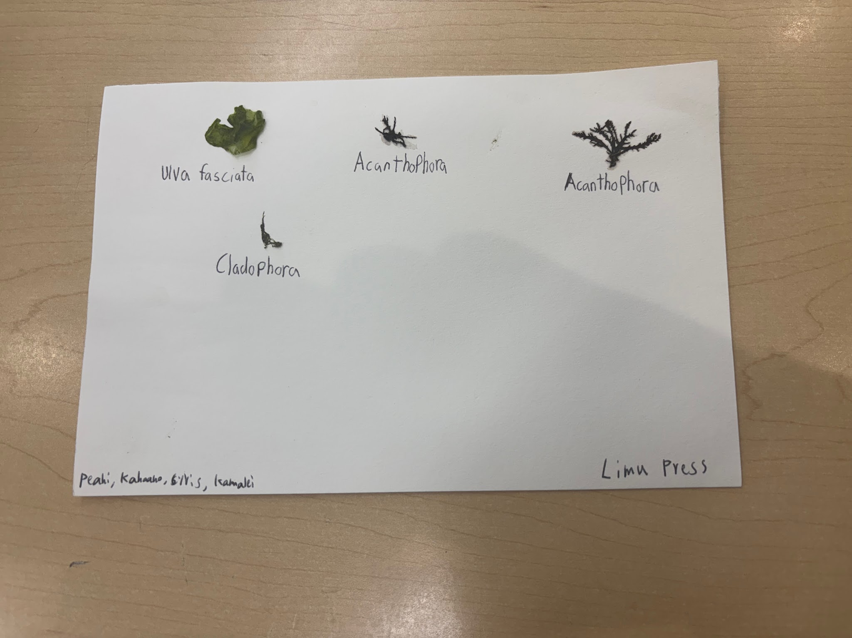

QUADRAT PT INTERCEPT (EXAMPLE)

DATA ENTRY | Jude R. | Leah N. | William F. | Skyler Song | Arianne | Dane Yamada | Tahi
CHECKER #1 | Chloe Choi | Noah K. | Emma | Bailey P. | Edwin Kiraly | John M | Bella
CHECKER #2 | Landin B. | Riley G. | Ai | kahiau | Alec D | Kaya K | Frantisek |  | x-axis | y-axis
Organism | P2G1 | P2G2 | P2G3 | P1G4 | P2G5 | P2G6 | P2G7 | TOTALS | Organism/Substrate | Percentage
Acanthophora spicifera |  |  |  |  |  | 2 | 0 | 2 | Acanthophora spicifera | 0.19%
Amansia glomerata |  |  |  |  |  | 18 | 0 | 18 | Amansia glomerata* | 1.71%
Asparagopsis taxiformis | 6 |  | 3 |  |  | 6 | 4 | 0 | Asparagopsis taxiformis | 0.00%
Avrainvillea spp. |  |  |  |  |  | 0 | 0 | 0 | Avrainvillea spp. | 0.00%
Bornatella sphaerica |  |  | 1 |  |  | 0 | 10 | 11 | Bornatella sphaerica | 1.05%
Cladophora spp. |  |  |  |  |  | 0 | 0 | 0 | Cladophora spp. | 0.00%
Colpomenia sinuosa | 4 |  |  |  |  | 0 | 0 | 4 | Colpomenia sinuosa | 0.38%
Crutose Coralline (CCA) |  |  | 1 |  |  | 0 | 0 | 1 | Crutose Coralline (CCA) | 0.10%
Dendropoma gregarium | 5 | 23 |  |  | 2 | 0 | 0 | 30 | Dendropoma gregarium | 2.86%
Dictyota sandvicensis |  | 1 | 2 |  | 7 | 0 | 0 | 10 | Dictyota sandvicensis | 0.95%
Dictyosphaeria spp. | 1 |  |  | 4 |  |  | 0 | 5 | Dictyosphaeria spp. | 0.48%
Dictyota acutiloba |  |  |  |  |  | 0 | 0 | 0 | Dictyota acutiloba | 0.00%
Gelidiella acerosa |  | 1 |  |  |  |  |  | 1 | Gelidiella acerosa | 0.10%
Halimeda discoidea |  | 2 |  | 1 |  | 0 | 5 | 8 | Halimeda discoidea | 0.76%
Hydroclathrus clathrus |  |  |  |  |  | 0 | 0 | 0 | Hydroclathrus clathrus | 0.00%
Hypnea spp. |  |  |  | 2 | 8 | 0 | 0 | 10 | Hypnea spp. | 0.95%
Laurencia spp. | 6 |  |  | 6 | 5 | 1 | 1 | 19 | Laurencia spp. | 1.81%
Leptolyngbya Crosbyara |  | 3 |  |  |  |  | 0 | 3 | Leptolyngbya crosbyana | 0.29%
Liagora spp. |  |  |  |  |  | 0 | 0 | 0 | Liagora spp. | 0.00%
Lobophora variegata |  |  |  |  |  | 0 | 0 | 0 | Lobophora variegata | 0.00%
Lyngbya majuscula |  |  | 3 |  |  | 0 | 0 | 3 | Lyngbya majuscula | 0.29%
Microdictyon sethchellianum |  |  | 10 |  |  | 0 | 0 | 10 | Microdictyon sethchellianum | 0.95%
Neomeris spp. |  |  | 1 | 1 |  | 0 | 0 | 2 | Neomeris spp. | 0.19%
Padina spp. | 9 | 22 | 23 | 12 | 28 | 28 | 10 | 132 | Padina spp. | 12.57%
Sargassum aquifolium | 13 | 17 | 1 | 11 | 3 | 0 | 1 | 46 | Sargassum aquifolium | 4.38%
Sargassum polyphyllum | 11 | 21 | 15 | 27 | 21 | 3 | 15 | 113 | Sargassum polyphyllum | 10.76%
Sphacelaria spp. |  |  |  |  |  | 0 | 0 | 0 | Sphacelaria spp. | 0.00%
Spyridia spp. |  |  | 1 |  |  | 0 | 0 | 20 | Spyridia spp. | 1.90%
Turbinaria ornata |  |  | 2 |  | 1 | 0 | 0 | 3 | Turbinaria ornata | 0.29%
Turf algae | 65 | 8 | 43 | 47 | 48 | 74 | 82 | 367 | Turf algae | 34.95%
Unknown Green |  |  |  |  |  |  | 3 | 3 | Unknown Green | 0.29%
Brown Colored Crust |  |  |  |  |  | 0 | 0 | 0 | Brown Colored Crust | 0.00%
Bare rock | 30 | 49 | 35 | 34 | 22 | 18 | 13 | 201 | Bare rock | 19.14%
Sand |  | 3 | 9 | 5 | 5 | 0 | 6 | 28 | Sand | 2.67%
TOTAL Points | 150 | 150 | 150 | 150 | 150 | 150 | 150 | 1050 |  | 100.00%
# quadrats x 25 pts/quadrat = 150

